screenshot
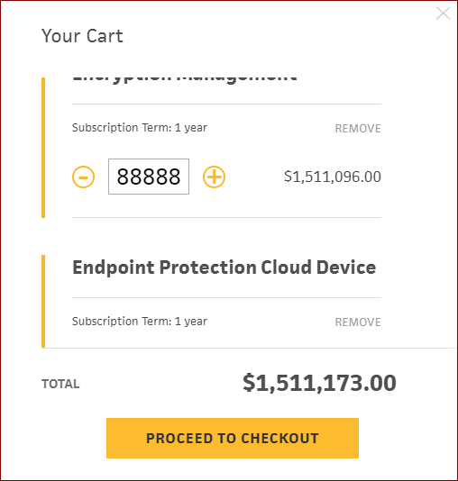
Defect 15


Defect 16

